ST Close - 12-02-2020 11
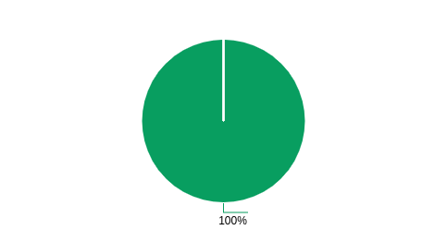
Summary Close Ticket - All Tenant
Export Time | 12-02-2020 11:08:28 | Filter Start | 2020-01-01
Export By | Debi-dev | Filter End | 2020-02-12
NO | DATE | CHANNEL | STATUS | TICKETS
1 | 2020-01-09 | Whatsapp | CLOSE | 1

NO | CHANNEL | JUMLAH
1 | Whatsapp | 1

